Climate Zone Maps
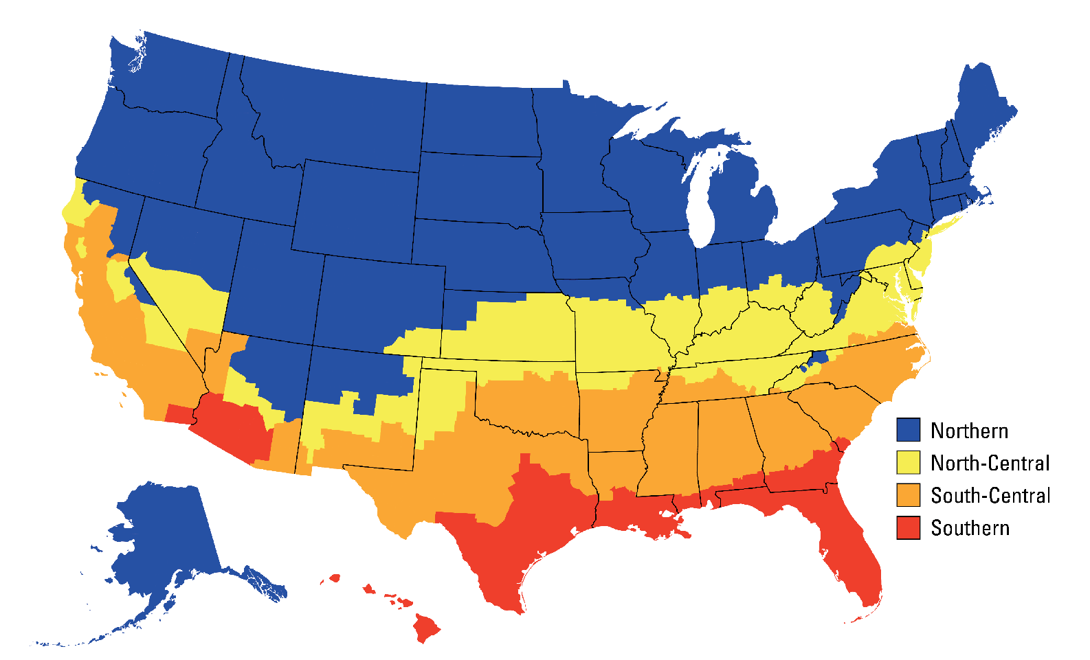
Version 6.0 Map

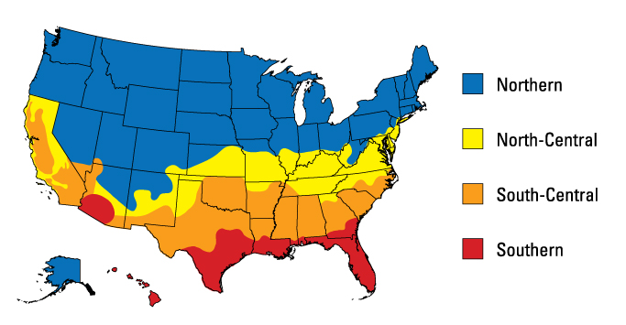

Proposed Version 7.0 Map

