INPUTS
 | Savings Calculator for an ENERGY STAR Certified Inground Pool Pump

Step 1: Where is your inground pool located?
 | Location |  |  |  | Electric rate ($/kWh) | $0.1237 | The U.S. average average residential electric rate is $0.1237/kWh. If you know your own rate, enter it here.
 | Pool operation (months per year) |  | 8.0 | Based on the state selected. If you prefer a different value, enter it here.
 | Pool size (gallons) |  | 22,000 | If you need help estimating your pool size, go to Step 2.

Step 2 (optional): What is your pool volume?
 | If you do not know your pool volume in gallons, select the shape most like your pool and fill in the highlighted cells below to estimate the volume.
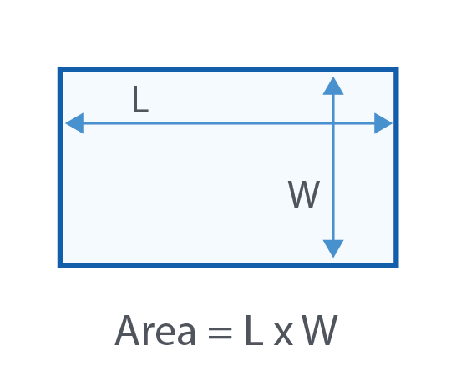
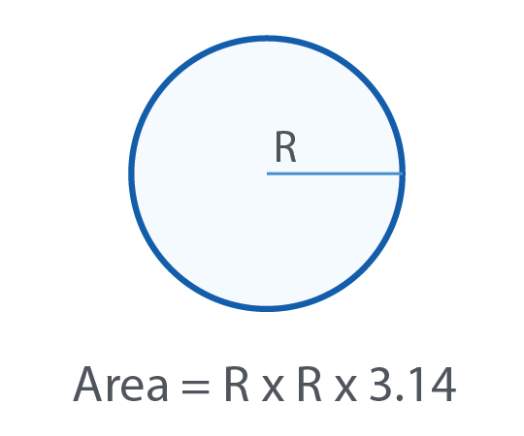
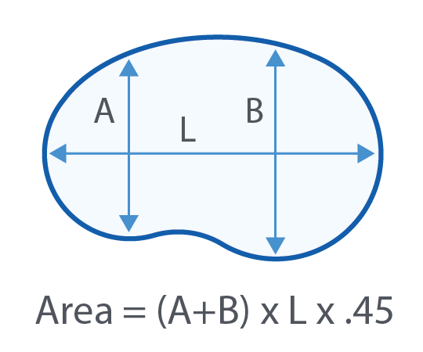

 | Length (feet), L | 30.0 |  | Radius (feet), R | 13.0 |  | Width (feet), A | 15.0
 | Width (feet), W | 25.0 |  | Surface Area (square feet) | 531 |  | Width (feet), B | 20.0
 | Surface Area (square feet) | 750 |  | Average Depth (feet) | 5.6 |  | Length (feet), L | 30.0
 | Average depth (feet) | 5.5 |  | Pool Volume (gallons) | 22,031 |  | Surface Area (square feet) | 473
 | Pool Volume (gallons) | 30,857 |  |  |  |  | Average depth (feet) | 5.5
 |  |  |  |  |  |  | Pool Volume (gallons) | 19,440

Step 3: What pumps would you like to compare?
 | Conventional (single speed) option: |  |  |  | ENERGY STAR certified option: |  |  | Note: Based on the information provided and typical pump sizing, the default variable speed pump hydraulic horsepower is 0.72 hhp (1-1.4 HP).
 | Run time (hours per day) |  | 7.3 |  | Type |  | Variable Speed
 | Size (nameplate horsepower) |  |  |  | Variable Speed Pump Hydraulic Horsepower
 | Pool turnovers per day |  | 1.5 |  | Desired pool turnovers per day |  | 1.5
 | Note: Default pool turnover per day is based on the climate of the state selected and is used to calculate the default run time. If you know your conventional pump operates to achieve a different number of turnovers per day, please enter it above. |  |  |  | Total additional cost |  | $432 | Note: A default additional cost is loaded. If you wish to use a different value or account for a local utility incentive, enter those values here.
 |  |  |  |  | Optional: Utility Incentive |  | $0

 |  |  |  | CALCULATE SAVINGS

 | See https://www.energystar.gov/productfinder/ to find utility incentives for pool pumps by entering your zip code. Enter these incentives in the "utility incentive" field above.
 | To see detail on the formulas and values used in this calculator or to modify assumptions, click on the Assumptions&Calculations tab.

