2. Version 5.0 Criteria
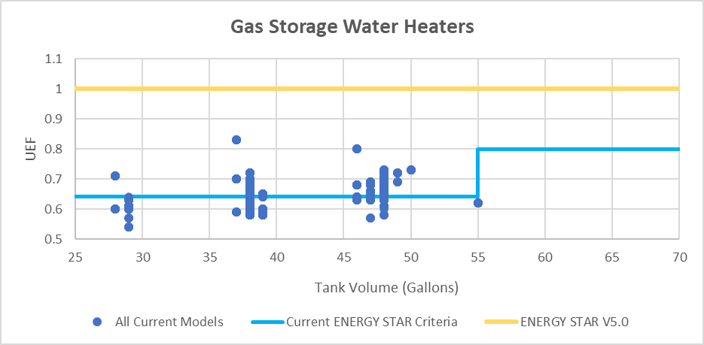
Table 1.1: Criteria for Qualified Gas Storage Water Heaters |  |  | Chart 1.1: Criteria for Qualified Gas Storage Water Heaters and All Models
Criteria |  | ENERGY STAR Requirements

Uniform Energy Factor |  | UEF ≥ 1.0
First Hour Rating |  | FHR ≥ 67 gallons per hour
Warranty |  | Warranty ≥ 6 years on system (including parts)
Safety |  | ANSI Z21.10.1/CSA 4.1

 |  |  | Note: there are no current ENERGY STAR Gas Storage Water Heaters >55 gallons.

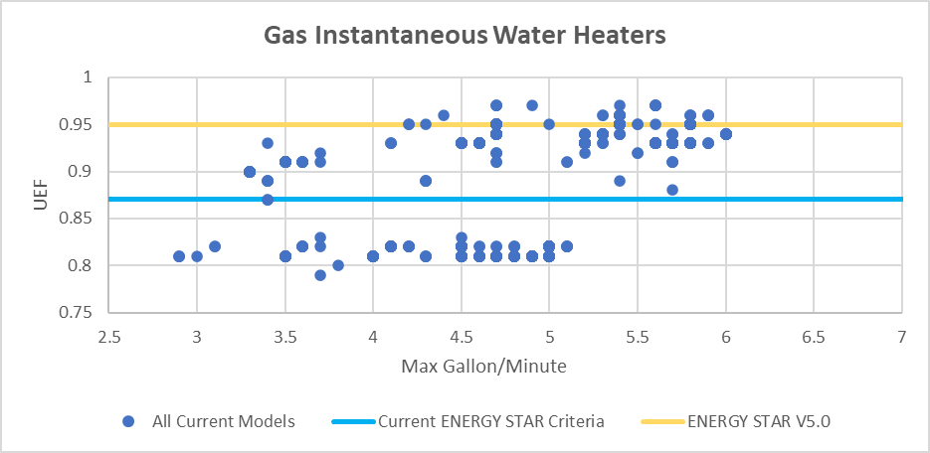
Table 1.2: Criteria for Qualified Gas Instantaneous Water Heaters |  |  | Chart 1.2: Criteria for Qualified Gas Instantaneous Water Heaters and All Models
Criteria | ENERGY STAR Requirements

Uniform Energy Factor | UEF ≥ 0.95
Gallons-Per-Minute | GPM ≥ 2.9 over a 77° rise
Warranty | Warranty ≥ 6 years on system (including parts)
Safety | ANSI Z21.10.3/CSA 4.3

 |  |  | Note: Very small draw models are excluded from the ENERGY STAR specification and are not included in this graph.

Table 1.3: Criteria for Qualified Gas-Fired Storage Residential-Duty Commercial Water Heaters |  |  | Chart 1.3: Criteria for Qualified Gas-Fired Storage Residential-Duty Commercial Water Heaters and All Models
Criteria | ENERGY STAR Requirements

Uniform Energy Factor | UEF ≥ 1.0
Warranty | Warranty ≥ 6 years on system
Safety | ANSI Z21.10.3/CSA 4.3

 |  |  | 